registration form
https://www.spotify.com/by-ru/signup?forward_url=https%3A%2F%2Fopen.spotify.com%2F

Spotify sign up page
ID | Module | Test Summary |  | Comments
Sign up with Facebook, Google
1 | Sign up with Facebook | "Sign up with Facebook" button is animated after hovering the mouse on it | Low
2 |  | "Log into Facebook" page is opened after clicking on "Sign up with Facebook" button | High | нет ключевой проверки - регистрация через фейсбук
 |  | Sign up with Facebook email if this email address already registered with Sign up with your email address | High
3 | Sign up with Google | "Sign up with Google" button is animated after hovering the mouse on it | Low
4 |  | "Sign up with Google" page is opened after clicking on "Sign up with Google" button | High
 |  | Sign up with Google email if this email address already registered with Sign up with your email address | High
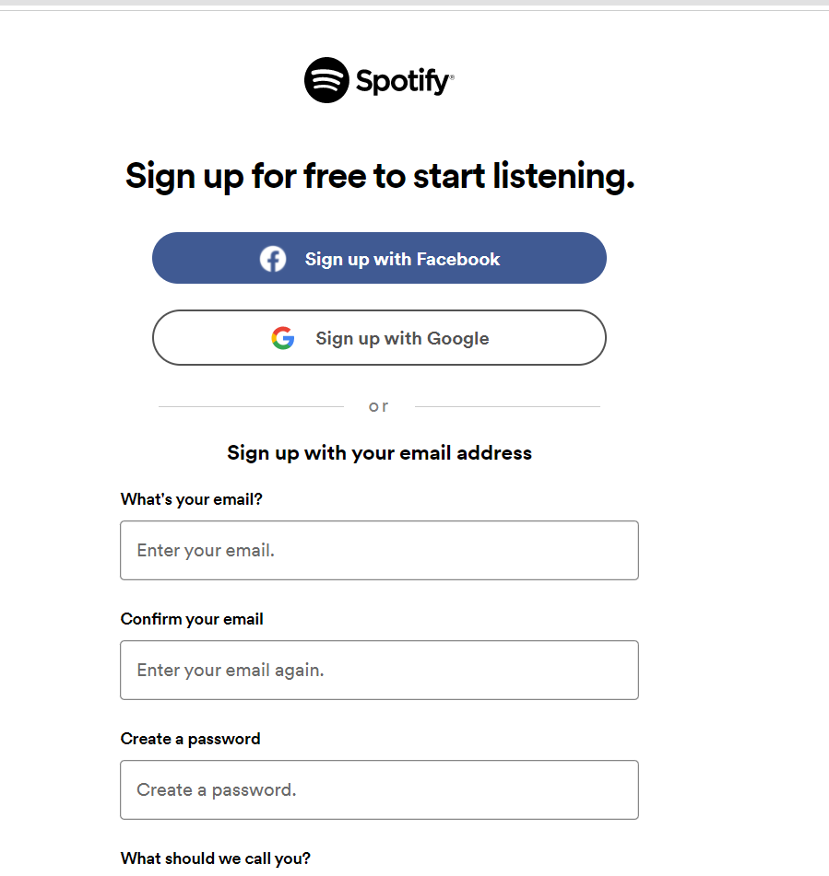
Sign up with your email address
1 | What's your email? textfield | "Enter your email" placeholder is absent after inputing some value in textfield | Low
2 |  | Textfield border is became bold after hovering the mouse on it | Low
3 |  | Inputed valid email is shown in textfield Valid email: (for the first registration only) art.bojar4uck97@gmail.com Art.bojar4uck_97@gmail.com test@198.102.434.8 | High
4 |  | Message "You need to enter your email." is shown if leaving textfield empty (go to the next field) | Medium
5 |  | Message "This email is invalid. Make sure it's written like example@email.com" is shown after inputing invalid email Invalid email: Without @ include @@ E.xample22@.com test@198.102.434. test@999.999.999.999 тест@outlook.com | High
6 |  | Попробовать зарегистрироваться через почту, привязанную к гугл\фейсбук | Low
7 |  | Textfield border is became red after inputting invalid email | Low
8 |  | Message "This email is already connected to an account. Log in" is shown if inputed email is already registered Already registered email Already registered facebook email Already registered google email | Medium
9 |  | The "Login-Spotify" page is opened after clicking on "Log in" at the message "This email is already connected to an account. Log in" | Low
10 | Confirm your email textfield | "Confirm your email textfield" placeholder is absent after inputing some value in textfield | Low | аналогично 11
11 |  | Textfield border is became bold after hovering the mouse on it | Low
12 |  | Inputed valid email is shown in textfield (email equal inputted email in "What's your email?" textfield) | High
13 |  | Message "You need to confirm your email." is shown if leaving textfield empty (go to the next field) | Medium
14 |  | Textfield border is became red if leaving textfield empty | Low
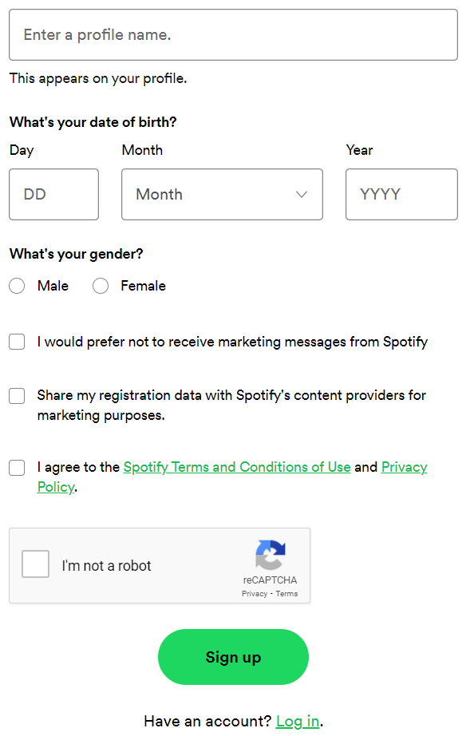
15 |  | Message "The email addresses don't match." is shown if inputted email didn't equal inputted email in "What's your email" textfield | High
16 |  | Textfield border is became red if inputted email didn't equal inputted email in "What's your email" textfield | Low
17 |  | Email is shown in textfield after pasting copied email from What's your email? textfield | Low
18 | Create a password textfield | "Create a password " placeholder is absent after inputing some value in textfield | Low
19 |  | Textfield border is became bold after hovering the mouse on it | Low
20 |  | Inputed valid password is shown like points in textfield Valid password: combination of numbers, letters, symbols more than 8 values (including 8) 8 values including backspace: e$se YT5 more than 8 values: u=8g_-z/Sv.vBJs | Medium
21 |  | Message "You need to enter a password." is shown if leaving textfield empty (go to the next field) | Medium
22 |  | Message "Your password is too short." is shown if unputed less than 8 symbols in textfield Invalid password: empty 1 symbol 7 symbols: e$seYT5 ?easy password (qwerty123, 12345678 etc) | High
23 | What should we call you? textfield | "Enter a profile name." placeholder is absent after inputing some value in textfield | Low
24 |  | Textfield border is became bold after hovering the mouse on it | Low
25 |  | Inputed values is shown in textfield Valid values: 1 symbol Invalid values: space | High | No invalid message Нет сообщений для валидных\невалидных
26 |  | Message "This appears on your profile." is shown after inputing values in textfield | Low
27 |  | Message "Enter a name for your profile." is shown if leaving textfield empty (go to the next field) | Medium
28 |  | Textfield border is became red if leaving textfield empty (go to the next field) | Low
29 | Day of date of birth | "DD" placeholder is absent after inputing number value in day textfield | Low
30 |  | Textfield border is became bold after hovering the mouse on it | Low
31 |  | Inputed valid day is shown in day textfield Valid day: 01-31 01 31 | High
32 |  | Message "Enter a valid day of the month." is shown after inputing invalid day in day textfield Invalid day: 1-9 0 00 32 111 text include symbols empty field space | Medium
33 |  | Day textfield border is became red if invalid day inputed in day textfield | Low
34 |  | Day textfield border is became grey (default) after inputed invalid day is changed by valid day in day textfield | Low
35 | Month of date of birth | Drop-down list is opened after clicking on "Mounth" button | High
36 |  | Selected month is shown as button name after clicking on month in opened drop-down mouth list | High | как насчет возможности перевыбрать?
37 |  | Reselected month is shown as button name after clicking on month in opened drop-down mouth list | High
38 |  | Button name is changed by selected month (clicking) from drop-down mouth list | High
39 | Year of date of birth | "YYYY" placeholder is absent after inputing number value in day textfield | Low
40 |  | Textfield border is became bold after hovering the mouse on it | Low
41 |  | Inputed valid year is shown in day textfield Valid year od birth: 1900 1900 - current year minus 13 current year minus 13 | High
42 |  | Message "Enter a valid year." is shown after inputing invalid year in day textfield Invalid year date of birth: 1899 0001 two-digit number three-digit number five-digit number include letters include symbols include spaces empty field | Medium
43 |  | Message "Sorry, you don't meet Spotify's age requirements." is shown after inputing invalid year and clicking "Sign Up" button Invalid year: future year current year current year minus 12 | Medium
44 |  | Year textfield border is became red if invalid year inputed in year textfield | Low
45 |  | Year textfield border is became grey (default) after inputed invalid year is changed by valid year in year textfield | Low
46 | Day-Month-Year of date of birth | Date is shown after inputing valid Day-Month-Year and clicking "Sign Up" button Valid Day-Month-Year: 30 Febrary 1996 (високосный год) 29 Febrary 1997 (не високосный год) 01 January 2009 | High
47 |  | Message "Sorry, you don't meet Spotify's age requirements." is shown after inputing invalid Day-Month-Year and clicking "Sign Up" button Invalid Day-Month-Year : 31 March 2000 31 July 1999 31 September 1988 31 November 1978 current date minus 12 year 11 mounth 0 days current date minus 12 year 12 mounth max value days | Medium
48 | What's your gender? | Radio button is active after clicking on it | High
49 |  | Message "Select your gender." is shown if "Male" or "Female" checkboxes didn't active | Medium
50 | Checkboxes | Checkboxes are enabled after clicking on it | High
51 |  | Enabled checkboxes are disabled after clicking on it | High
52 |  | "Spotify Terms and Conditions of Use" page is opened after clicking on "Spotify Terms and Conditions of Use" link | Medium
53 |  | "Privacy Policy" page is opened after clicking on "Privacy Policy" link | Medium
54 |  | Message "Please accept the terms and conditions to continue." is shown if "I agree to the Spotify Terms and Conditions of Use and Privacy Policy." checkbox is disabled | Medium
55 |  | Showed "Please accept the terms and conditions to continue." message is absent after enabling "I agree to the Spotify Terms and Conditions of Use and Privacy Policy." checkbox | High
56 |  | Marketing messages from Spotify are sent if "I would prefer not to receive marketing messages from Spotify" checkbox is enabled | Medium
57 |  | Sucess "Sign Up" if checkbox "I would prefer not to receive marketing messages from Spotify" is disabled | High
58 |  | Marketing messages from Spotify aren't send if "I would prefer not to receive marketing messages from Spotify" checkbox is disabled | High
59 |  | My registration data are shared to Spotify if "Share my registration data with Spotify's content providers for marketing purposes." checkbox is enabled | Medium
60 |  | Sucess "Sign Up" if checkbox "Share my registration data with Spotify's content providers for marketing purposes." is disabled | High
61 |  | My registration data aren't shared to Spotify if "Share my registration data with Spotify's content providers for marketing purposes." checkbox is disabled | High
62 |  | Checkbox "I would prefer not to receive marketing messages from Spotify" can be disabled | Medium
63 | Captcha | Captcha is completed after clicking on "Im not a robot" checkbox | High
64 |  | Message "Confirm you're not a robot." is shown if captcha doesn't completed | Medium
65 | "Sign up" button | "Sign up" button is animated after hovering the mouse on it | Low
66 |  | Sign up is competed after clicking on Sign up button if all fields are completed valid data | High
67 |  | Sign up isn't competed after clicking on Sign up button if not all fields are completed valid data | High
68 |  | Messages (!) below incompleted textboxes are shown after clicking on Sign up button if not all fields are completed valid data | Medium
69 | Log in | The page https://accounts.spotify.com/en/login?continue=https%3A%2F%2Fopen.spotify.com%2F is shown after clickig on the link Log in | Medium
70 | General benavior | The mouse cursor is changed to the text selection after hovering on textfields | Low
71 |  | The mouse cursor is changed to the hand cursor after hovering on the buttons | Low
72 |  | Textfields borders are became bold after hovering the mouse on it | Low
73 |  | Radiobuttons are became bold after hovering the mouse on it | Low
74 |  | Checkboxes are became bold after hovering the mouse on it | Low
75 |  | Links are highlighted after hovering the mouse on it | Low
76 |  | Inputed text is shown in textfild | Low
77 |  | Textbox placeholder is absent after inputting some text in textbox | Low
78 |  | Inputed text are shown like points in password textfield | Low
79 |  | Copy-Pasted text is shown in textfild | Low
80 |  | Page is scrolled during mouse scrolling | Low

